Page 1
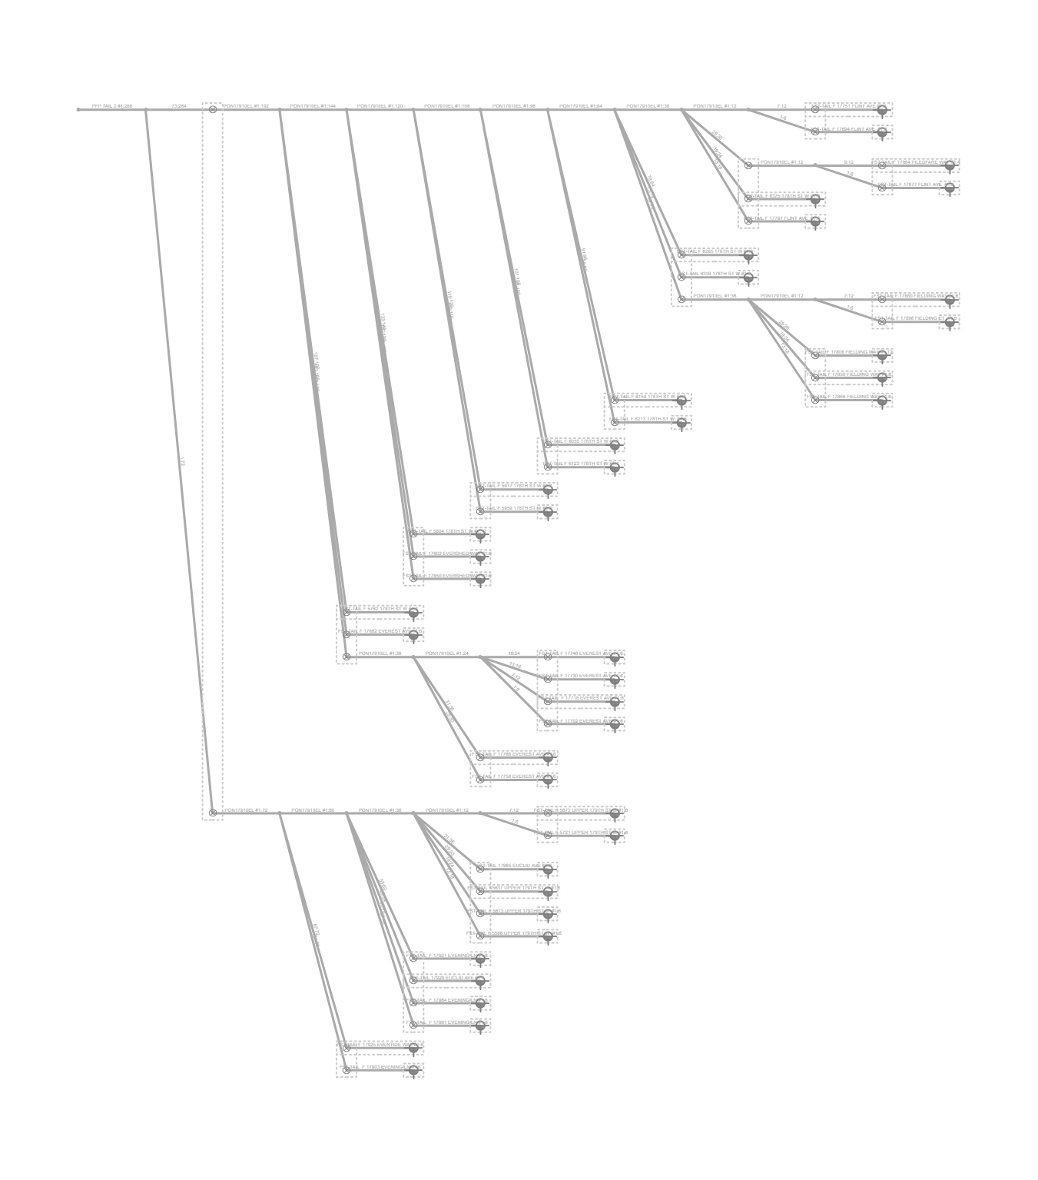
Fiber Trace Report
Cable: PFP TAIL 2 (288)
Fibers: #1:288
Design: PSA-2707PA-BRVLMNYF-CHARLIE
Date: 11/27/2024

